Sheet1
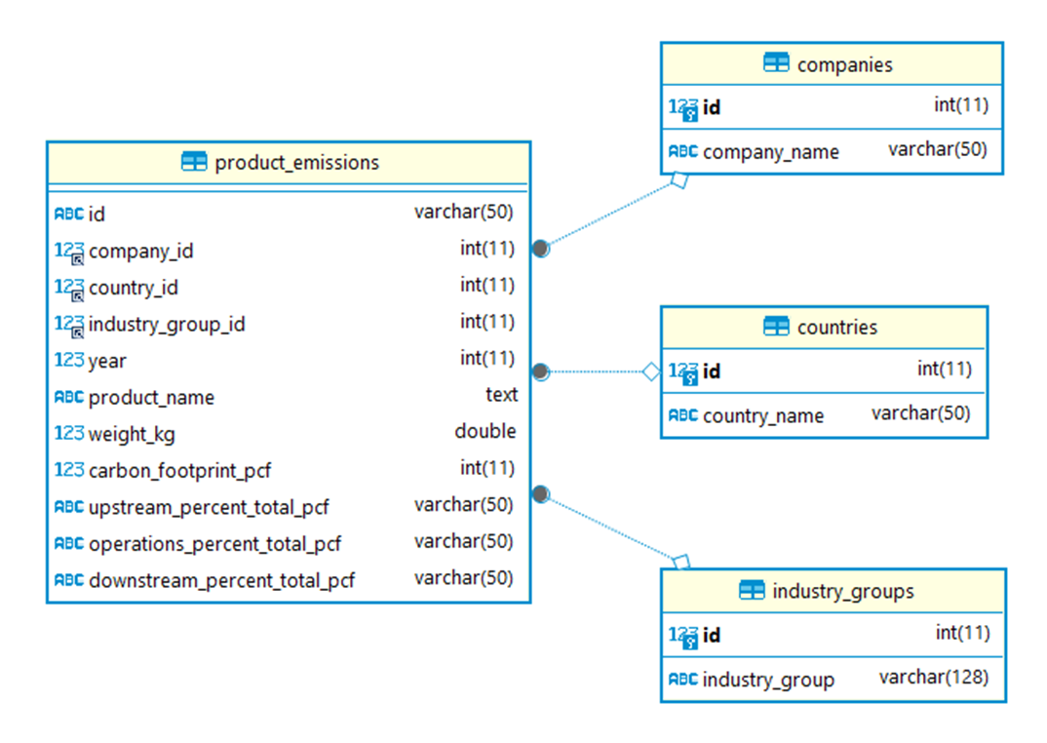
1. Which products contribute the most to carbon emissions?
product_name | Average PCF
Wind Turbine G128 5 Megawats | 3718044
Wind Turbine G132 5 Megawats | 3276187
Wind Turbine G114 2 Megawats | 1532608
Wind Turbine G90 2 Megawats | 1251625
Land Cruiser Prado. FJ Cruiser. Dyna trucks. Toyoace.IMV def unit. | 191687
Retaining wall structure with a main wall (sheet pile): 136 tonnes of steel sheet piles and 4 tonnes of tierods per 100 meter wall | 167000
TCDE | 99075
Mercedes-Benz GLE (GLE 500 4MATIC) | 91000
Mercedes-Benz S-Class (S 500) | 85000
Mercedes-Benz SL (SL 350) | 72000
Average PCF

2. What are the industry groups of these products?
product_name | industry_group | Average PCF
Wind Turbine G128 5 Megawats | Electrical Equipment and Machinery | 3718044
Wind Turbine G132 5 Megawats | Electrical Equipment and Machinery | 3276187
Wind Turbine G114 2 Megawats | Electrical Equipment and Machinery | 1532608
Wind Turbine G90 2 Megawats | Electrical Equipment and Machinery | 1251625
Land Cruiser Prado. FJ Cruiser. Dyna trucks. Toyoace.IMV def unit. | Automobiles & Components | 191687
Retaining wall structure with a main wall (sheet pile): 136 tonnes of steel sheet piles and 4 tonnes of tierods per 100 meter wall | Materials | 167000
TCDE | Materials | 99075
Mercedes-Benz GLE (GLE 500 4MATIC) | Automobiles & Components | 91000
Mercedes-Benz S-Class (S 500) | Automobiles & Components | 85000
Mercedes-Benz SL (SL 350) | Automobiles & Components | 72000
Average PCF vs. industry_group

3. What are the industries with the highest contribution to carbon emissions?
industry_group | Total PCF
Electrical Equipment and Machinery | 9801558
Automobiles & Components | 2582264
Materials | 577595
Technology Hardware & Equipment | 363776
Capital Goods | 258712
"Food, Beverage & Tobacco" | 111131
"Pharmaceuticals, Biotechnology & Life Sciences" | 72486
Chemicals | 62369
Software & Services | 46544
Media | 23017
Total PCF vs. industry_group

4. What are the companies with the highest contribution to carbon emissions?
company_name | Total PCF
"Gamesa Corporación Tecnológica, S.A." | 9778464
Daimler AG | 1594300
Volkswagen AG | 655960
"Mitsubishi Gas Chemical Company, Inc." | 212016
"Hino Motors, Ltd." | 191687
Arcelor Mittal | 167007
Weg S/A | 160655
General Motors Company | 137007
"Lexmark International, Inc." | 132012
"Daikin Industries, Ltd." | 105600
Total PCF vs. company_name

5. What are the countries with the highest contribution to carbon emissions?
country_name | Total PCF
Spain | 9786130
Germany | 2251225
Japan | 653237
USA | 518381
South Korea | 186965
Brazil | 169337
Luxembourg | 167007
Netherlands | 70417
Taiwan | 62875
India | 24574
Total PCF vs. country_name

6 What is the trend of carbon footprints (PCFs) over the years?
2013 Emission | 2014 Emission | 2015 Emission | 2016 Emission | 2017 Emission
503857 | 624226 | 10840415 | 1640182 | 340271

7 Which industry groups has demonstrated the most notable decrease in carbon footprints (PCFs) over time?
Industry Group | 2013 Emission | 2014 Emission | 2015 Emission | 2016 Emission | 2017 Emission
"Consumer Durables, Household and Personal Products" | 0 | 0 | 931 | 0 | 0
"Food, Beverage & Tobacco" | 4995 | 2685 | 0 | 100289 | 3162
"Forest and Paper Products - Forestry, Timber, Pulp and Paper, Rubber" | 0 | 0 | 8909 | 0 | 0
"Mining - Iron, Aluminum, Other Metals" | 0 | 0 | 8181 | 0 | 0
"Pharmaceuticals, Biotechnology & Life Sciences" | 32271 | 40215 | 0 | 0 | 0
"Textiles, Apparel, Footwear and Luxury Goods" | 0 | 0 | 387 | 0 | 0
Automobiles & Components | 130189 | 230015 | 817227 | 1404833 | 0
Capital Goods | 60190 | 93699 | 3505 | 6369 | 94949
Chemicals | 0 | 0 | 62369 | 0 | 0
Commercial & Professional Services | 1157 | 477 | 0 | 2890 | 741
Consumer Durables & Apparel | 2867 | 3280 | 0 | 1162 | 0
Containers & Packaging | 0 | 0 | 2988 | 0 | 0
Electrical Equipment and Machinery | 0 | 0 | 9801558 | 0 | 0
Energy | 750 | 0 | 0 | 10024 | 0
Food & Beverage Processing | 0 | 0 | 141 | 0 | 0
Food & Staples Retailing | 0 | 773 | 706 | 2 | 0
Gas Utilities | 0 | 0 | 122 | 0 | 0
Household & Personal Products | 0 | 0 | 0 | 0 | 0
Materials | 200513 | 75678 | 0 | 88267 | 213137
Media | 9645 | 9645 | 1919 | 1808 | 0
Retailing | 0 | 19 | 11 | 0 | 0
Semiconductors & Semiconductor Equipment | 0 | 50 | 0 | 4 | 0
Semiconductors & Semiconductors Equipment | 0 | 0 | 3 | 0 | 0
Software & Services | 6 | 146 | 22856 | 22846 | 690
Technology Hardware & Equipment | 61100 | 167361 | 106157 | 1566 | 27592
Telecommunication Services | 52 | 183 | 183 | 0 | 0
Tires | 0 | 0 | 2022 | 0 | 0
Tobacco | 0 | 0 | 1 | 0 | 0
Trading Companies & Distributors and Commercial Services & Supplies | 0 | 0 | 239 | 0 | 0
Utilities | 122 | 0 | 0 | 122 | 0
Carbon Emission by Industry Groups

